Q1
Q. 1: Determine the ultimate load carrying capacity of LAP joint in Tension if the bolt threads are outside the shear plane. Use M18 bolt of the product grade C and property Class 4.6. The yield and ultimate strength of plate are 250 Mpa and 410 Mpa respectively.

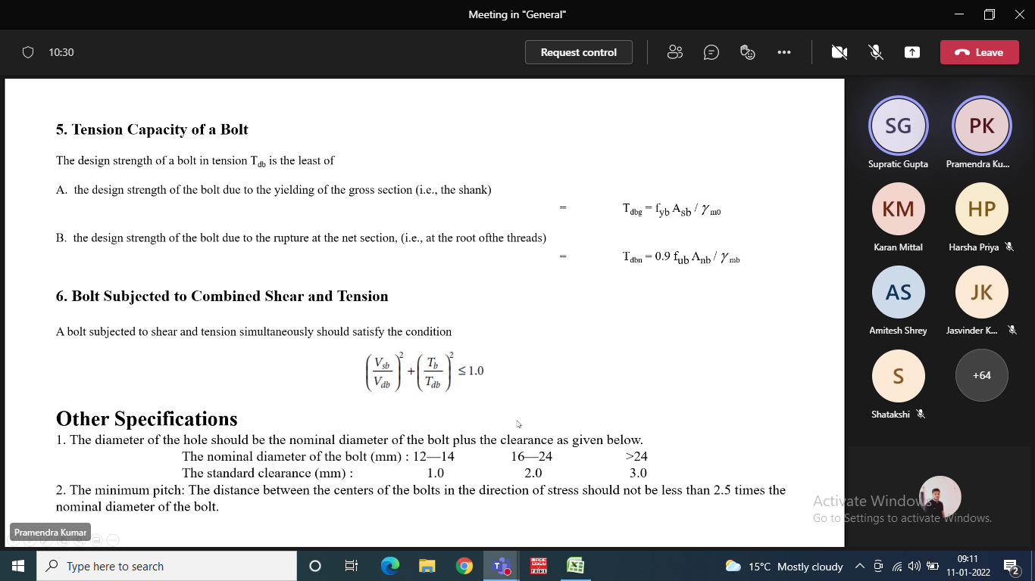
Solution:
Properties of Bolt
fub = |  | 400 | mpa
Dia of Bolt d = |  | 18 | mm
Dia of Bolt hole do = |  | 20 | mm | Why??
Width of plate |  | 120 | mm
Thickness of plate |  | 12 | mm
fy of Plate |  | 250 | Mpa
fup of plate |  | 410 | Mpa

Edge distance
Min Edge and End distance required = 1.5do = |  | 30 | mm
Max Edge distance = 12tɛ |  | 144 | mm |  | ɛ=(250/fy)0.5
Edge distance provided |  | 35 | mm |  | from centre of Bolt hole
 |  |  |  |  | t =
Pitch
Min Pitch = 2.5d = |  | 45 | mm
Max Pitch = Min of | 16t = 16*12 = 192 mm | 192 | mm
 | 200 mm
Pitch Provided |  | 45 | mm |  | c/c of Bolt hole

Tensile strength of plate
1. Net area cracking or rupture
Tdn = (0.9fu /1.25)*An = |  | 354.2 | kN |  | An = | 1200 | mm2 | 1 Bolt at a section
 |  | 283.4 | kN |  |  | 960 | mm2 | 2 Bolt at a section
2. Gross area yielding
Tdg = (fy/1.1)*Ag |  | 327.3 | kN |  | Ag | 1440

Tnesile strength will be min of the above 2 = |  | 283.4 | kN |  | Assuming 2 Bolt at a section
Tnesile strength will be min of the above 1 = |  | 327.3 | kN |  | Assuming 1 Bolt at a section
Bolt Value
Bolt Value will be min of Shear strength of Bolt and Bearing Strength of Bolt
1. Shear Strength | Vnsb = (fu/√3)(nn*Anb+ns*Asb) | 44.3 | kN | nn | 1
 | Vdsb= Vnsb/1.25 | 35.5 | kN | ns | 0 |  | Since bolt threads are outside shear plane
 |  |  |  | Anb | 192 | mm2
2. Bearing strength | Vnpb = 2.5kb*fu*d*t | 110.7 | kN | Asb | 255 | mm2
 | Vdpb=Vnpb/1.25 | 88.56 | kN |  | kb= | 0.500
 |  |  |  |  | e/3do | 0.583 | Min
Bolt value = min of Shear and Bearing strength pf bolt |  | 35.5 | kN |  | P/3do-0.25 | 0.500
 |  |  |  |  | fub/fu | 0.976
 |  |  |  |  | 1 | 1.000
No. Of Bolt Required | Tensile strength of Plate/Bolt value |  | 7.99

But provided only 4 |  | 4.00
Strength of connection |  | 141.89 | kN
Final Strength |  | 141.89

 |  | Adopt | 8
We will provide 8 Bolts
Strength of Joint in Shearing

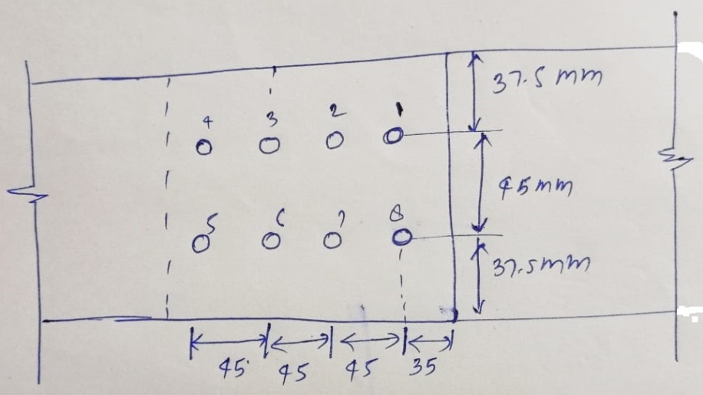
Check in Block Shear
Tdb= [ Avg*fy/(√3*1.1)+0.9Atn*fu/1.25] or |  | 623.9 | kN |  | Avg | 4080 | Along withBolt line 1-5 & 6-10
Tdb = [0.9*Avn*fu/(√3*1.25)+ Atg*fy/1.1] |  | 531.8 | kN |  | Avn | 2400
 |  |  |  |  | Atg | 540 | Along with line 5-6 ꓕ to bolt line
Block Shear Strength |  | 531.8 | kN |  | Atn | 300

Strenth of the joint is = min of 283.4 kN, 531.8kN |  | = | kN

7
6
9
8
10

4
5
3
2
1

Weld 1
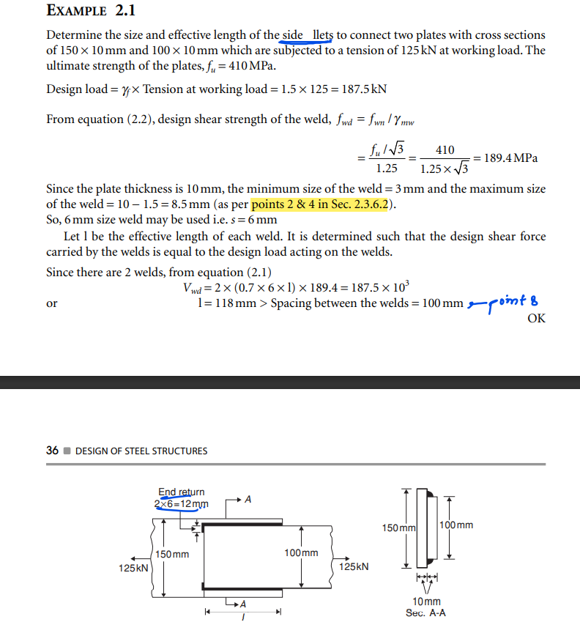
Q. Determine the size and effective length of the side Þ llets to connect two plates with cross sections of 150 × 10 mm and 100 × 10 mm which are subjected to a tension of 125 kN at working load. The ultimate strength of the plates, fu = 410 MPa.

Sol:

weld always fail in shear
 | plate width | 100 | mm
 | plate thickness | 10 | mm
 | edge type | square

 | min weld size | 3 | mm
 | max weld size | 8.5 | mm

 | 2. Gross area yielding
 | Tdg = (fy/1.1)*Ag | 227.27272727 | kN
 | fy of Plate | 250 | Mpa

 | gross area Ag | 1000 | mm2

 | tension load(T) | 125 | kN

 | design load(1.5T) | 187.5 | kN | < | 227.27272727 | kN | TRUE
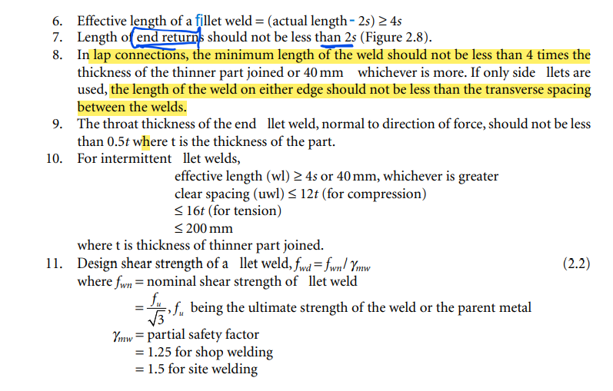
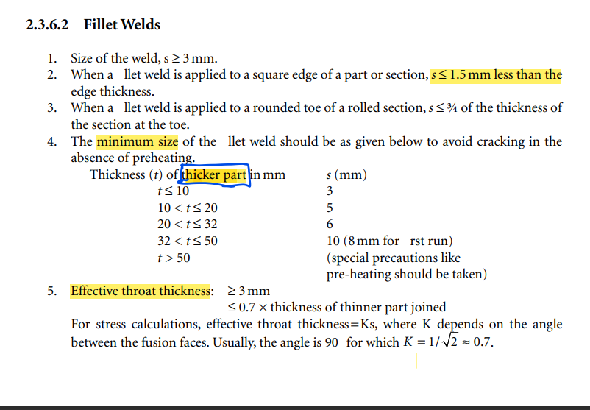
 | calculation of weld strength per unit length

 | assume weld size(s) | 6 | mm
 | throat thicknes tt | 4.2 | mm
 | fu | 410 | Mpa
 | weld strength per unit length
 | (fu/3^.5/1.25)*(0.7s*1) | 795.4 | N/mm

 | length of weld required | 235.7 | mm

 | provide weld length on both sides | 120 | mm
 | end return | 12 | mm

Weld 3
In a truss, ∠ 100 100 × 8 is subjected to the factored tension of 200 kN. It is to be connected to a gusset using fillet welds at the toe and back. Find the lengths of welds required so that the centre of gravity of the welds lies in the plane of the centre of gravity of the angle. fu = 410 MPa.
Connected leg
Outstand leg
Fillet weld always fail in shear
Soln:
Given factored load |  | 200 | kN
fu |  | 410 | Mpa
fy |  | 250 | Mpa
Angle Section ISA | 100x100x8 mm
Length of connected leg L1 |  | 100 | mm
Length of outstand leg L2 |  | 100 | mm
Thickness |  | 8 | mm
distance of centroid from the back of the angle,
Cz = Cy = |  | 27.6 | mm
edge type | Rounded
Weld
min weld size |  | 3 | mm
max weld size |  | 6 | mm

Calculation of weld strength per unit length

assume weld size(s) |  | 5 | mm
throat thicknes tt |  | 3.5 | mm
Weld strength per unit length |  |  |  | Partial safety factor
(fu/√3/γmw)*(tt*1) |  | 0.663 | kN/mm | γmw | 1.25 | for shop welding
Length of weld required | Factored load / Weld strength per unit length |  | mm |  | 1.5 | for site welding
 |  |  |  | Assuming Shop welding

To make the joint moment free we have to distribute the weld length in such a way that the CG of the weld coincides with the CG of the ISA section

Taking moment at toe of the Angle section
l1x0.7x100 - 200x(100-27.6) = 0
l1 |  |  | mm
l2 |  | #VALUE! | mm

